Budget comparison
Beef Cow-Calf (one cow unit) systems budget comparison
Ag Decision Maker -- Iowa State University Extension and Outreach
For more information see Information File B1-21 Livestock Enterprise Budgets.

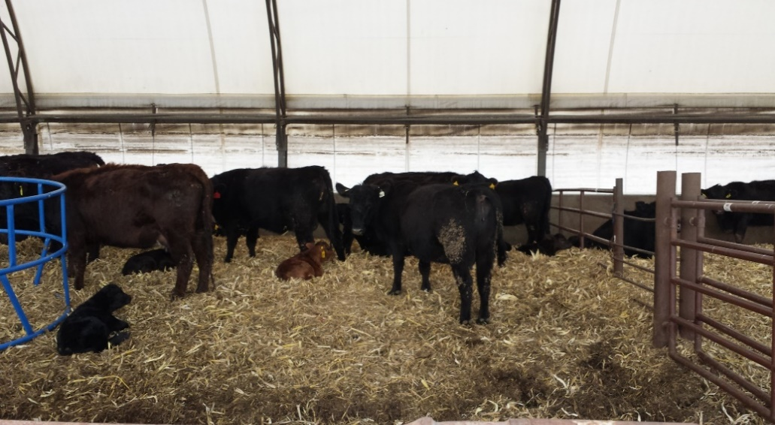
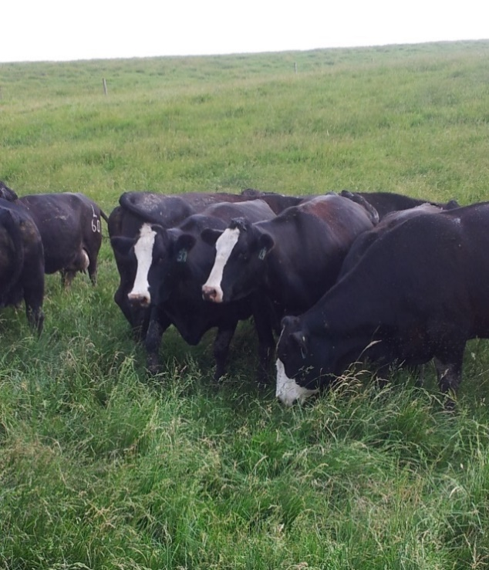
Place the cursor over cells with red triangles to read comments.
Enter your input values in shaded cells.

STEP 1. Define the systems to compare
 |  |  |  | Number of cows
System 1 | Summer grazing |  |  | 100

System 2 | Confined |  |  | 100

System 3 | Extended grazing |  |  | 100

System 4 | Combination |  |  | 100

STEP 2. Enter production efficiencies

Calf weaning rate | 95%
Calf death loss | 2%
Cow death loss | 1%
Cow replacement rate | 15%

STEP 3. Enter budget details |  |  |  |  |  |  |  |  |  | System 1 |  | System 2 |  | System 3 |  | System 4
 |  |  |  |  |  |  |  |  |  | Summer grazing |  | Confined |  | Extended grazing |  | Combination

Income | Price | Unit |  | Quantity | Unit |  |  |  |  | Total |  | Total |  | Total |  | Total
Heifer calves | $1.60 | per lb | x | 600 | lbs | x | 0.31 | head | = | $301.43 |  | $301.43 |  | $301.43 |  | $301.43
Steer calves | $1.65 | per lb | x | 650 | lbs | x | 0.47 | head | = | $499.25 |  | $499.25 |  | $499.25 |  | $499.25
Cull cows | $0.40 | per lb | x | 1300 | lbs | x | 0.14 | head | = | $72.80 |  | $72.80 |  | $72.80 |  | $72.80
Gross income |  |  |  |  |  |  |  |  |  | $873.47 |  | $873.47 |  | $873.47 |  | $873.47
 |  |  |  |  |  |  |  |  |  |  | System 1 |  | System 2 |  | System 3 |  | System 4
Variable costs |  |  |  |  |  |  |  |  |  |  | Use to override |  | Use to override |  | Use to override |  | Use to override
Summer feed |  |  |  |  |  |  |  |  |  |  | calculated values |  | calculated values |  | calculated values |  | calculated values
Pasture grazing | Use feed budgeting tab to calculate feed costs |  |  |  |  |  |  |  |  | $150.00 |  | $- |  | $262.50 |  | $75.00
Delivered feed | or enter a per cow value in shaded cell |  |  |  |  |  |  |  |  | $228.88 |  | $505.83 |  | $61.49 |  | $374.41
Residue grazing |  |  |  |  |  |  |  |  |  | $15.00 |  | $15.00 |  | $15.00 |  | $15.00
Mineral |  |  |  |  |  |  |  |  |  | $27.38 |  | $27.38 |  | $27.38 |  | $27.38
 |  |  |  |  |  |  |  |  | Total Feed | $421.26 |  | $548.20 |  | $366.36 |  | $491.78
Other variable costs per cow
Veterinary & health |  |  |  |  |  |  |  |  |  | $40.00 |  | $40.00 |  | $40.00 |  | $15.00
Bedding |  |  |  |  |  |  |  |  |  | $20.00 |  | $80.00 |  | $10.00 |  | $40.00
Machinery, equipment, fuel & repairs |  |  |  |  |  |  |  |  |  | $10.00 |  | $20.00 |  | $10.00 |  | $10.00
Marketing & miscellaneous |  |  |  |  |  |  |  |  |  | $10.00 |  | $10.00 |  | $10.00 |  | $10.00

Other variable costs per whole herd
Building facility repair |  |  |  |  |  |  |  |  |  |  |  | $1,000.00
 |  |  |  |  |  |  |  |  |  | $- | per cow | $10.00 | per cow | $- | per cow | 0 | per cow
Hired labor
 |  |  |  |  |  |  |  |  |  | $- | per cow | $- | per cow | $- | per cow | 0 | per cow

 |  |  |  |  |  |  |  |  |  | $- | per cow | $- | per cow | $- | per cow | 0 | per cow

 |  |  |  |  |  |  |  |  |  | $- | per cow | $- | per cow | $- | per cow | 0 | per cow

Other variable costs per acre
Pasture fertilizer | $20.00 | cost per acre |  |  |  |  |  |  |  | $40.00 | per cow | $- | per cow | $70.00 | per cow | $20.00 | per cow
Pasture weed control | $10.00 | cost per acre |  |  |  |  |  |  |  | $20.00 | per cow | $- | per cow | $35.00 | per cow | $10.00 | per cow
Fence repair | $5.00 | cost per acre |  |  |  |  |  |  |  | $10.00 | per cow | $- | per cow | $17.50 | per cow | $5.00 | per cow
Other |  | cost per acre |  |  |  |  |  |  |  | $- | per cow | $- | per cow | $- | per cow | $- | per cow

Interest on feed and | Interest rate | 5% |  |  |  |  |  |  |  | $14.28 |  | $17.71 |  | $13.97 |  | $15.04
variable costs
Total variable costs |  |  |  |  |  |  |  |  |  | $585.54 |  | $725.91 |  | $572.84 |  | $616.83

Total fixed costs | Use fixed cost tab to calculate fixed costs |  |  |  |  |  |  |  |  | $427.38 |  | $673.30 |  | $347.86 |  | $426.55
 | or enter a per cow value in shaded cell
Total all costs |  |  |  |  |  |  |  |  |  | $1,012.92 |  | $1,399.21 |  | $920.70 |  | $1,043.37

Return to unpaid labor and management |  |  |  |  |  |  |  |  |  | $(139.45) |  | $(525.73) |  | $(47.22) |  | $(169.90)

Labor |  | $14.00 | $/hour |  |  |  |  |  |  | 10 | hours/cow | 11 | hours/cow | 10 | hours/cow | 10 | hours/cow
 |  |  |  |  |  |  |  |  |  | $140.00 |  | $154.00 |  | $140.00 |  | $140.00

Income over all costs including labor |  |  |  |  |  |  |  |  |  | $(279.45) |  | ($679.73) |  | ($187.22) |  | ($309.90)

Breakeven selling price for variable costs (per lb.) |  |  |  |  |  |  |  |  |  | $1.04 |  | $1.33 |  | $1.02 |  | $1.11
Breakeven selling price for all costs (per lb.) |  |  |  |  |  |  |  |  |  | $1.91 |  | $2.70 |  | $1.73 |  | $1.98

