Example
Corn Drying and Shrink Comparison
Ag Decision Maker A2-32 -- Iowa State University Extension and Outreach
Corn Drying and Shrink Comparison has more information on the costs of drying grain or selling and receiving a moisture discount.

Place the cursor over cells with red triangles to read comments.
Enter your input values in shaded cells.

Yield and Moisture Projections for Unharvested Corn |  |  |  |  | Variable Costs Estimate for On-Farm Drying (optional)

Current or near-term expected weather conditions (choose) |  |  | 2 |  |  |  | 5
Current standability condition of the crop (choose) |  |  | 2 |  | Type of drying system (pick from list)
Number of acres to harvest | 100.0 | Unusually wet and cool weather | Good standing |  | Cost of propane, $/gallon | $2.00
Expected gross bushels (wet) if harvested today (bu./acre) | 228 bu. | Normal temperature and precipitation | Average standing |  | Cost of electricity, $/Kwh | $0.11
Current moisture level in field (%) | 25.0% | Unusually dry and hot weather | Poor standing |  | Wage rate for labor used to operate the dryer | $12.00
Expected number of days before harvesting (enter 0 for today) | 10 |  | Very poor standing |  | Percent of drying time labor is needed | 25%
Expected moisture level at harvest (%) | 19.0% |  |  |  | Dryer capacity, bushels per hour | 450
Expected harvesting yield loss (bu./acre) | 7 |  |  |  | Average points of moisture removed per bu. | 5.0
Expected reduced moisture yield loss (bu. acre) | 17 |  |  |  | Total bushels to dry per year | 85,000
Expected gross bushels at harvest, wet (bu./acre) | 204 |  |  |  | Initial investment in drying system | $50,000

Sale Alternatives at Harvest | Sell Wet with Moisture Discount | Dry Commercial and Sell | Dry On Farm and Sell |  | Variable Costs | $ per point per bu.
Expected cash grain price at harvest for no. 2 corn ($/bu.) | $3.25 | $3.25 | $3.25 |  | Propane cost | $0.035
Final moisture level for commercial sale (%) | 15.0% | 15.0% | 15.0% |  | Electricity cost | $0.002
Moisture discount factor for wet sale (% / point over 15%) | 2.5% |  |  |  | Repair and maintenance cost | $0.004
Commercial drying charge ($ / bu. / point of moisture removed) |  | $0.060 |  |  | Handling cost | $0.002
Shrink factor (% per point of moisture removed) |  | 1.40% |  |  | Labor cost | $0.001
On-farm drying variable cost ($ / bu. / point of moisture removed) |  |  | $0.043 | <=== | Total variable cost per point removed | $0.043
Extra cost for hauling grain to on-farm drying ($ / bu. / mile) |  |  | $0.010
Extra miles to transport grain to on-farm drying |  |  | 4.0
Extra grain handling loss for on-farm drying (%) |  |  | 0.5% |  |  | BTUs used | % of energy
Comparison |  |  |  |  |  | per lb. water | from
Gross bushels at harvest (wet) | 20,400 | 20,400 | 20,400 |  | Type of System | removed | electricity
Bushels lost to shrink and handling | xx | 1,142 | 1,062 |  | 1. Natural air | 1,200 | 50%
Net bushels after shrink and handling losses | 20,400 | 19,258 | 19,338 |  | 2. Low temperature | 1,500 | 50%
 |  |  |  |  | 3. In-bin, stirred | 1,800 | 2%
Gross revenue paid | $66,300 | $62,587 | $62,849 |  | 4. In-bin, continuous flow | 1,800 | 2%
Moisture discount ($ / bu.) | $0.33 |  |  |  | 5. High temperature, air recirculating | 2,000 | 4%
Moisture discount, total $ | $6,630 |  |  |  | 6. High temperature, no air recirculating | 2,500 | 2%
Drying cost ($ / bu.) |  | $0.240 | $0.172 |  | Source: Hellevang and Reff, North Dakota State University Extension.
Drying cost, total $ |  | $4,896 | $3,509
Extra transportation cost |  |  | $816
Total discount, drying and transportation costs | $6,630 | $4,896 | $4,325
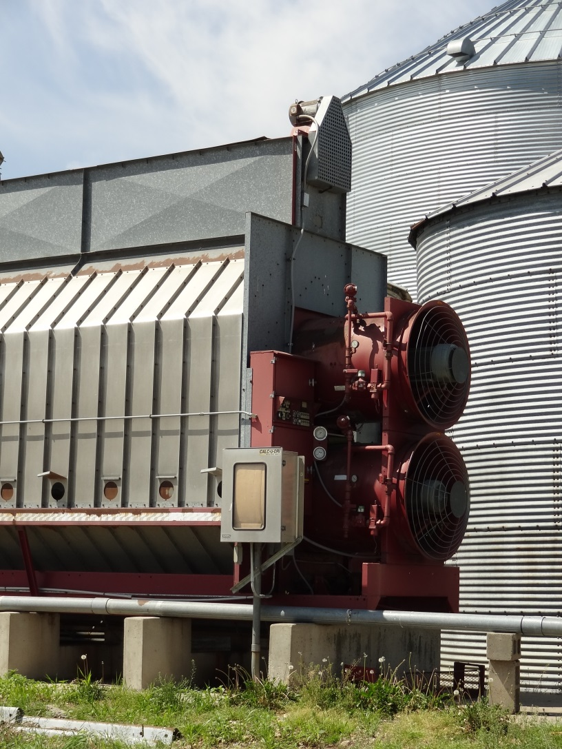
Net revenue after shrink, discount, drying & transportation | $59,670 | $57,691 | $58,524
Sale Alternatives after Storage | Moisture Discount, Store, and Sell | Dry Commercial, Store, and Sell | Dry On Farm, Store, and Sell
Months grain will be stored | 5 months | 5 months | 5 months
Cash no. 2 price to be paid after storage ($ / bu.) | $3.60 | $3.60 | $3.60
Moisture level for storage | 14.0% | 14.0% | 13.5%
Minimum charge for commercial storage ($ / bu.) | $0.13 | $0.13
Base rate period (months) | 3 | 3
Monthly charge after minimum for commercial storage ($/bu./mo.) | $0.04 | $0.04
Estimated quality deterioration for on-farm storage (%) |  |  | 1%
Fans for on-farm storage, total horsepower |  |  | 8
Hours fans will run per month (hours per month) |  |  | 120
Electricity rate ($ per KwH) |  |  | $0.11
Additional hours per month for managing grain (hours per month) |  |  | 15
Labor value ($ per hour) |  |  | $12
Short-term interest rate on operating capital(%) | 5% | 5% | 5%
Comparison
Additional bushels lost to shrink and handling |  | 270 | 528.7
Net bushels after shrink and handling losses | 20,400 | 18,988 | 18,809
Gross revenue paid after storage | $73,440 | $68,357 | $67,713
Commercial storage cost | $4,284 | $3,987
Interest cost from harvest to sale, total $ | $1,381 | $1,286 | $1,274
Additional moisture discount, total $ | $1,657
Additional drying cost, total $ |  | $1,155 | $1,247
Electricity cost for storage, total $ |  |  | $422
Labor cost for managing grain, total $ |  |  | $900
Total discount, storage and drying costs | $13,953 | $11,325 | $8,168
Net revenue after storage costs | $59,487 | $57,032 | $59,545
Net return to storage | -$183 | -$659 | $1,022
Breakeven selling price needed to pay storage costs | $3.61 | $3.63 | $3.55

Summary | Moisture Discount, Store, and Sell | Dry Commercial, Store, and Sell | Dry On Farm, Store, and Sell
Sell at harvest | $59,670 | $57,691 | $58,524
Store and sell later | $59,487 | $57,032 | $59,545

Version 1.4
Author: William Edwards
Date Printed:
2014-10-28

. . . and justice for all
The U.S. Department of Agriculture (USDA) prohibits discrimination in all its programs and activities on the basis of race, color, national origin, gender, religion, age, disability, political beliefs, sexual orientation, and marital or family status. (Not all prohibited bases apply to all programs.) Many materials can be made available in alternative formats for ADA clients. To file a complaint of discrimination, write USDA, Office of Civil Rights, Room 326-W, Whitten Building, 14th and Independence Avenue, SW, Washington, DC 20250-9410 or call 202-720-5964.

Issued in furtherance of Cooperative Extension work, Acts of May 8 and July 30, 1914, in cooperation with the U.S. Department of Agriculture. Cathann A. Kress, director, Cooperative Extension Service, Iowa State University of Science and Technology, Ames, Iowa.

