Truck Example
Grain Truck Transportation Cost Calculator |  |  |  |  |  | Ag Decision Maker File A3-29
Ag Decision Maker -- Iowa State University Extension and Outreach
See Estimating Farm Machinery Costs for more information.

Enter your input values in shaded cells.
Input Data | Grain Truck or |  | Semi Trailer
 | Semi Tractor |  | (blank for straight truck)
Purchase price | $45,000 |  | $25,000
Years truck will be owned | 10 | years | 20 | years
Expected salvage value at end of ownership | $20,000 |  | $5,000
Annual cost of repairs and maintenance | $3,000 | per year | $500 | per year
Number of tires | 10 | tires | 8 | tires
Replacement cost per tire | $400 | per tire | $250 | per tire
Lifetime per tire | 40,000 | miles per tire | 50,000 | miles per tire
Miles truck driven per year | 8,000 | miles
Average hauling speed | 50 | miles per hour
Average miles driven per round trip | 60 | miles

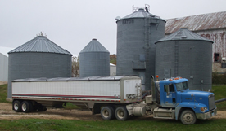
Bushels hauled per year with this truck | 50,000 | bushels per year
Bushels hauled per load | 1,000 | bushels per load
Loading time per load | 0.50 | hours
Unloading time per load | 1.00 | hours

Driver labor rate | $15.00 | $/hour
Interest rate on investment | 5%
Price of fuel | $2.65 | $ per gallon
Fuel efficiency | 5.0 | miles per gallon

Annual cost of truck license | $350
Annual cost of truck insurance | $500

 | Truck | Trailer | Combination |  |  | $ per mile,
Ownership Costs | $ per year | $ per year | $ per year | $ per trip | $ per bushel | round trip
Capital recovery (interest and depreciation) | $4,238 | $1,855 | $6,092 | $45.69 | $0.122 | $0.76
Insurance and license | 850 |  | $850 | $6.38 | $0.017 | $0.11
Total ownership cost | $5,088 | $1,855 | $6,942 | $52.07 | $0.139 | $0.87

Operating Costs
Repair and maintenance cost | $3,000 | $500 | $3,500 | $26.25 | $0.070 | $0.44
Tires cost | 800 | 320 | 1,120 | $8.40 | $0.022 | $0.14
Fuel and lubrication cost | 4,876 |  | 4,876 | $36.57 | $0.098 | $0.61 | Note: lubrication cost is estimated at 15% of fuel cost
Labor cost | 3,525 |  | 3,525 | $26.44 | $0.071 | $0.44 | Note: Includes time for loading and unloading as well as driving time.
Total operating cost | $12,201 | $820 | $13,021 | $97.66 | $0.260 | $1.63

Total Ownership plus Operating Costs | $17,289 | $2,675 | $19,963 | $149.73 | $0.399 | $2.50

Version 1.5_32021
Author: William Edwards
Date Printed:
2021-02-24

This institution is an equal opportunity provider. For the full non-discrimination statement or accommodation inquiries, go to www.extension.iastate.edu/diversity/ext.

Wagon Example
Grain Wagon Transportation Cost Calculator |  |  |  |  |  |  | Ag Decision Maker File A3-29
Ag Decision Maker -- Iowa State University Extension and Outreach
See Estimating Farm Machinery Costs for more information.

Enter your input values in shaded cells.

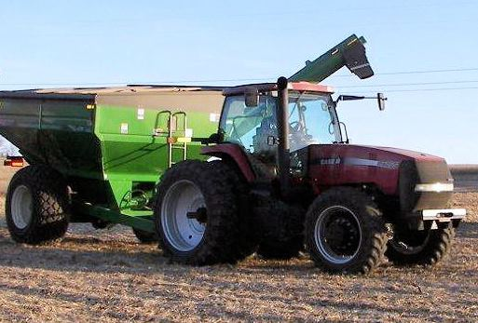
Tractor | Input Data
List price of new equivalent model | $200,000
Purchase price | $145,000
Age when purchased | 5 | years
Years tractor will be owned | 15 | years
Tractor horsepower | 175 | hp
Total hours of annual use for all purposes | 400 | hours
Percent of total hours used for hauling grain | 20%

Interest rate on investment | 5%
Price of fuel | $2.25 | $ per gallon
Driver labor rate | $12.00 | $ per hour
Loading time per load | 0.25 | hours
Unloading time per load | 0.50 | hours

Wagons | Wagon # 1 | Input Data | Wagon # 2
New list price | $15,000 |  | $20,000
Purchase price | $13,000 |  | $12,500
Age when purchased | 0 | years | 3 | years
Years to be owned | 20 | years | 17 | years
Capacity of wagon, bushels | 500 | bushels per year | 600 | bushels
Bushels hauled per year in these wagons |  | 50,000 | bushels per year
Average miles per trip |  | 10 | miles round trip

 | Tractor | Wagons | Combination |  |  | $ per mile, | $/bu./mile,
Ownership Costs (for hauling grain) | $ per year | $ per year | $ per year | $ per trip | $ per bushel | round trip | round trip
Capital recovery (interest and depreciation) | $2,487 | $2,210 | $4,697 | $103.34 | $0.094 | $10.33 | $0.0172 | Note: Estimated from ASABE salvage value equations.
Taxes, insurance | $145 | $128 | $273 | $6.00 | $0.005 | $0.60 | $0.0010 | Note: Estimated as 0.5% of purchase cost annually.
Total ownership cost | $2,632 | $2,337 | $4,970 | $109.33 | $0.099 | $10.93 | $0.0182

Operating Costs
Repair cost | $1,120 | $263 | $1,383 | $30.42 | $0.028 | $3.04 | $0.0051 | Note: Estimated from ASABE repair cost formulas. Portion of total annual cost allocated to grain hauling.
Fuel and lubrication cost | $1,594 |  | $1,594 | $35.07 | $0.032 | $3.51 | $0.0058 | Note: Assumes fuel consumption of .044 gallons per hp-hr, plus 15% for lubrication. Portion of total annual cost allocated to grain hauling.
Labor cost | $1,369 |  | $1,369 | $30.12 | $0.027 | $3.01 | $0.0050 | Note: Includes hours operating tractor plus time loading and unloading.
Total operating cost | $4,083 | $263 | $4,346 | $95.60 | $0.087 | $9.56 | $0.0159

Total Ownership plus Operating Costs | $6,715 | $2,600 | $9,315 | $204.93 | $0.186 | $20.49 | $0.0342

Version 1.5_22021
Author: William Edwards
Date Printed:
2021-02-24

This institution is an equal opportunity provider. For the full non-discrimination statement or accommodation inquiries, go to www.extension.iastate.edu/diversity/ext.

